Sheet1
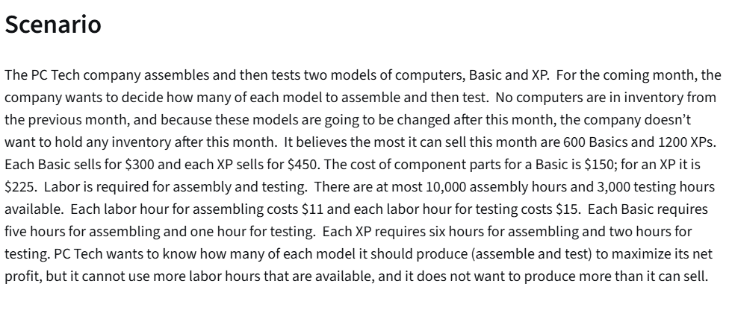
PC Tech company

 | No. of Basic | No. of XP
Variables: | 560 | 1200
 | $300 | $450

Objective(MAX):
 |  |  | Total:
Revenue | $168,000 | $540,000 | $708,000
Cost:
Parts: | $150 | $225 | 354000
Labor/Assem: | 5 | 6 | $110,000
Labor/Testing: | 1 | 2 | $44,400

Profit: | $199,600

$11 | for assembly |  |  | Constraint Table: |  |  | LHS | Sign | RHS
15 | for testing |  |  | Maximum quantity | 1 |  | 560 | <= | 600
 |  |  |  | Maximum quantity |  | 1 | 1200 | <= | 1200
 |  |  |  | Assembly hours | 5 | 6 | 10000 | <= | 10000
 |  |  |  | Testing hours | 1 | 2 | 2960 | <= | 3000

